Sheet1
 |  | Document No. | Issue No. | Issue Date |  | Review and Replace Date |  | Authorised By
 |  | GFF232MC | 2 | 12.10.2020 |  | 11.06.2021 |  | Magda Shah
 |  | Document Title | Balti Chicken with Pilau Rice 400g

Document amendments reason for change |  | Shelf life updated | Page 1 of 1 |  | Previous Issue Date |  | 12.10.2020 | Uncontrolled copy unless signed original

CCBAR1-R4TEB | BOOTHS |  | Balti Chicken with Pilau rice 400g
STEP 1 |  |  |  |  | STEP 2
 |  |  |  |  | 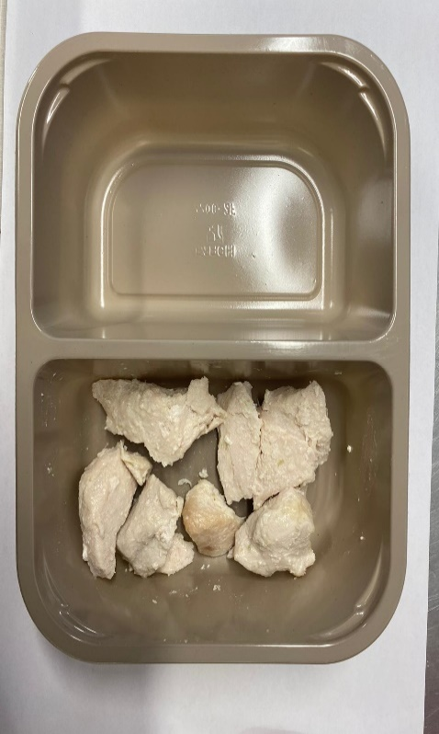

Tray: EVOLVE CPET 2200-2F(PKRHP001-10) |  |  |  |  | British Marinated Chicken 12-14g (GFF164R): 75g
Line 1: Mylar 250LAF 250mm x 1000 (PKWRA001-08)
Line 1: K-Peel 75G + AF 25 250mm (PKKMP001-01)
Line 2: Mylar 25OLAF - 380mm wide (PKWRA001-02)
STEP 3 |  |  |  |  | STEP 4
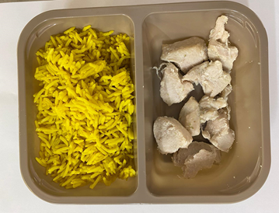 |  |  |  |  | 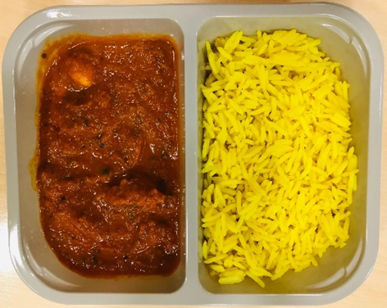

Pilau Rice (GFF143R): 165g |  |  |  |  | Balti Sauce(GFF333R): 160g
 |  |  |  |  | TOTAL WEIGHT: 400G
ALLERGY ALERT: MILK, MUSTARD

